Plumbing Items
Page 2
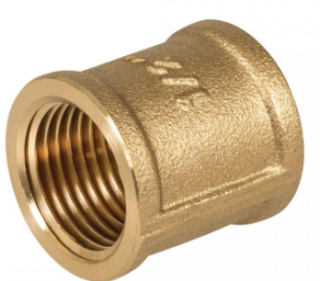 Brass Pipe Socket |  | 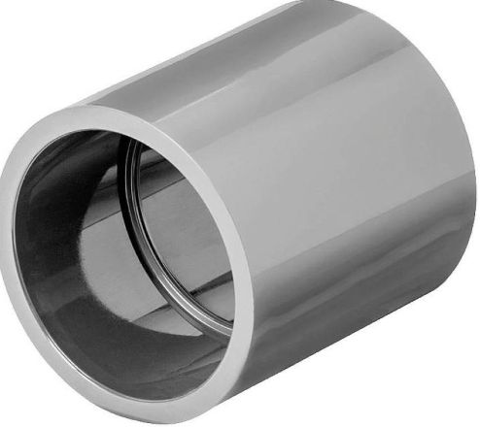 Double Socket |  | 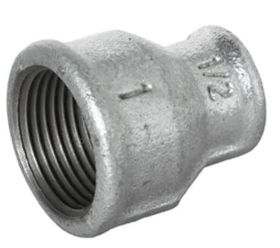 GI Reducing Socket |  | 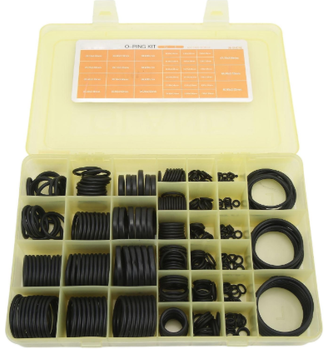 Oring Kit |  | 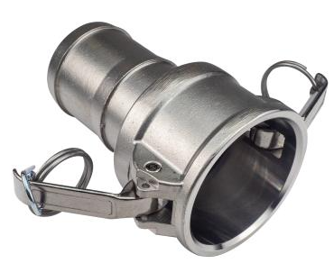 Camlock Coupling |  |  | 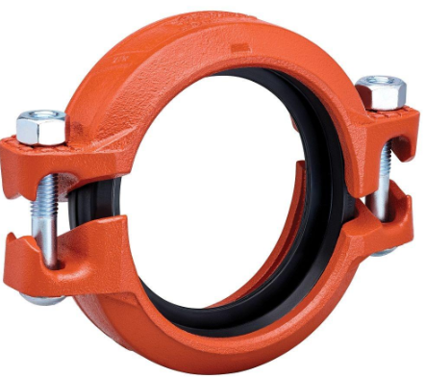 Victaulic Coupling |  |  | 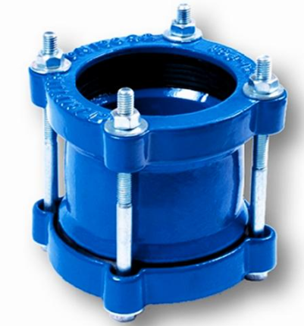 Universal Coupling

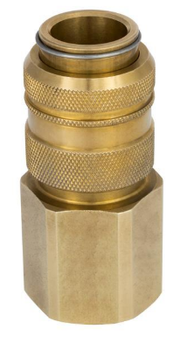 Quick Coupling | 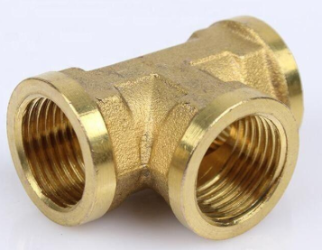 Brass Pipe Tee |  | 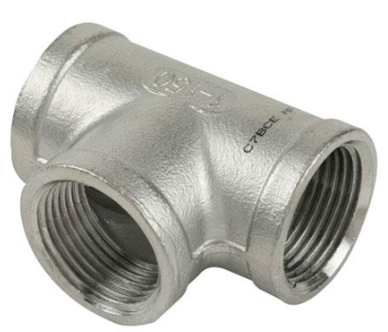 Tee |  |  | 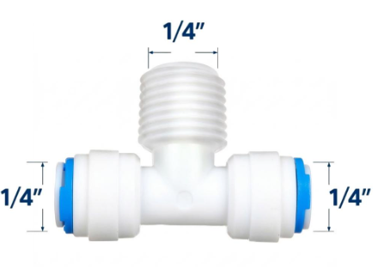 RO Tee Connector |  | 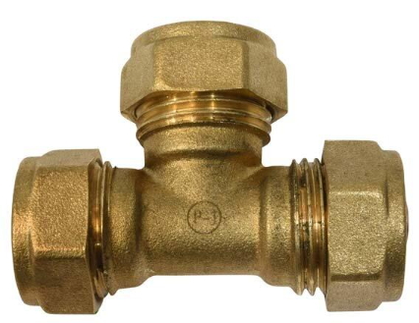 Compression Tee
 |  |  |  |  |  |  |  |  |  |  |  |  |  | 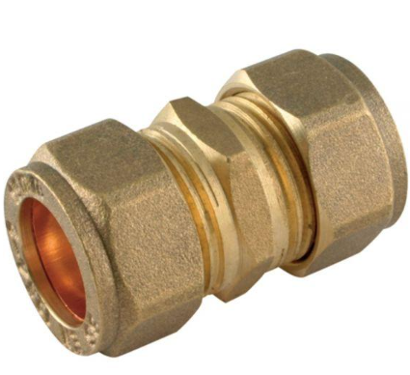 Compression Coupling

 |  |  |  |  |  |  |  |  |  |  | 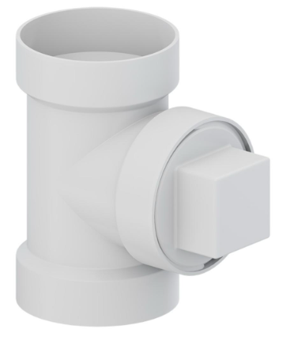 Cleanout Tee

 | 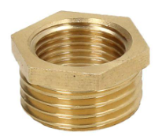 Brass Reducing Bush |  | 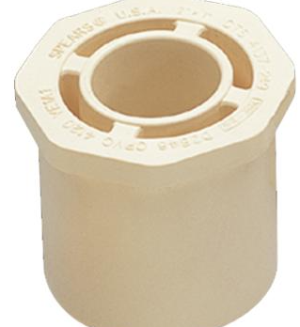 Reducer Bush |  | 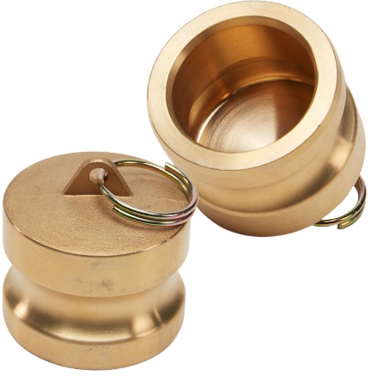 Camlock Dust Cap |  | 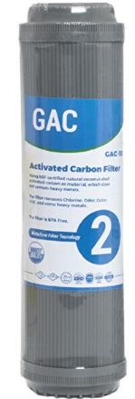 Carbon Filter |  | Cartridge Filter Housing |  |  |  |  | Carbon Block Cartridge

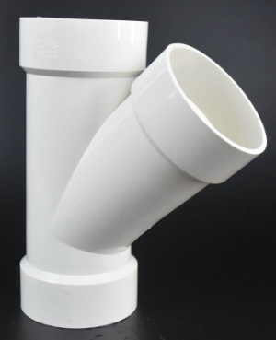 Lateral Tee

 |  |  |  |  |  |  |  |  |  |  | Towel Rod

 |  |  | 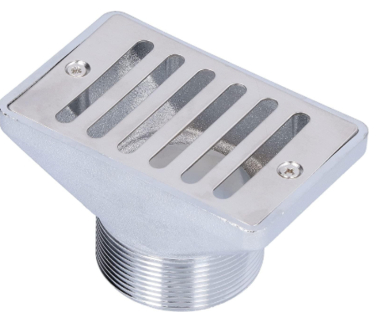 Overflow Grating
 | 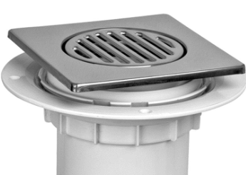 Floor Trap |  |  |  |  |  |  |  |  |  |  |  |  | 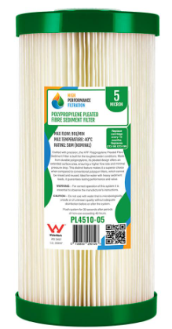 Sediment Filter Cartridge
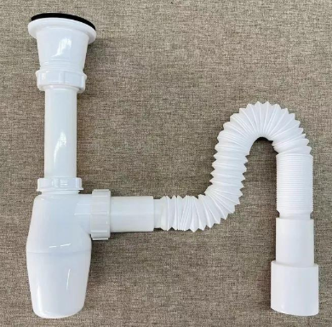 Flex Bottle Trap |  |  |  |  | 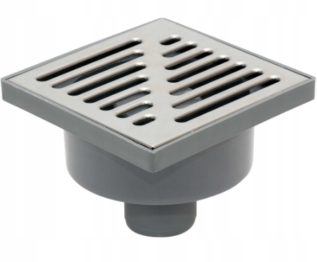 Gully Grating |  | 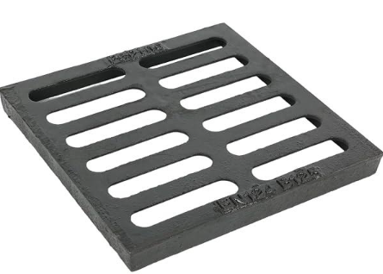 Drain Grating |  |  | Grating Frame |  | Clevis Hanger

 |  |  | 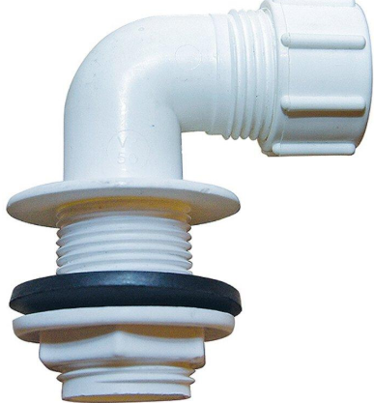 Tank Overflow Elbow
 |  |  |  |  |  |  |  |  |  | 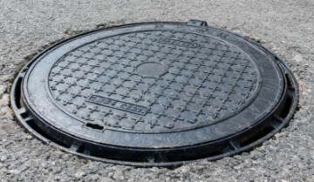 Manhole Cover
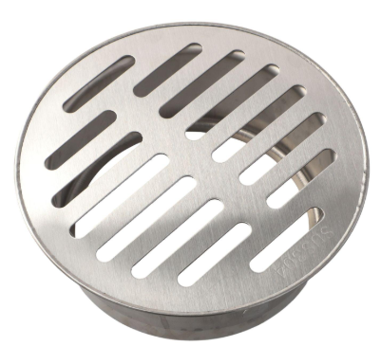 Drain Cover |  | Clean Out Plug with Cover |  |  | 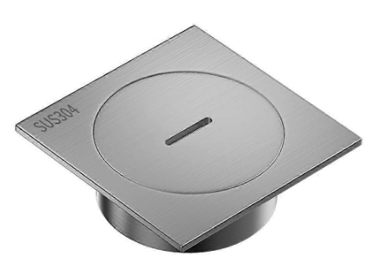 Drain Cover Plate |  | 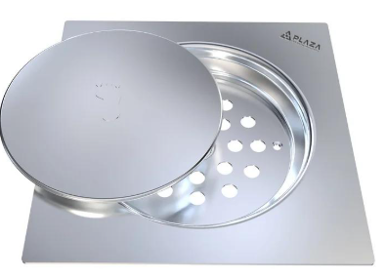 Drain Trap Cover
 |  |  |  |  |  |  |  |  |  |  |  |  |  | Toilet Seat Cover

 |  | Plastic Drain Cover | Septic Tank Cover
 |  |  |  |  | 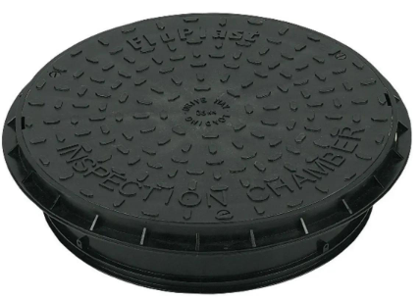 Inspection Chamber Cover |  | Inspection Cover |  |  | Manhole Frame |  |  | Tank Float Kit

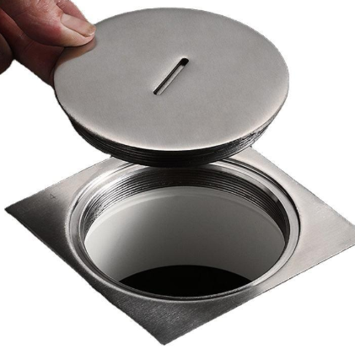 Floor Cleanout Cover

 |  | Tank Cover | Flush Tank
 |  |  |  |  |  |  | 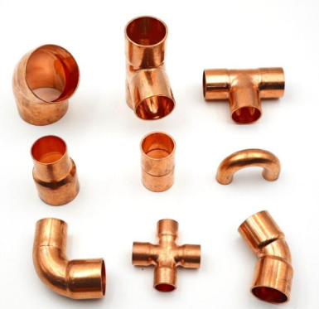 Copper Capillary Fitings |  |  | 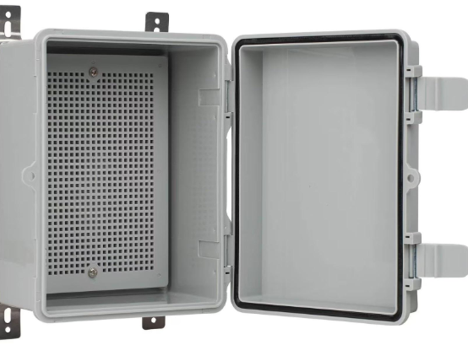 Utility Box |  |  | 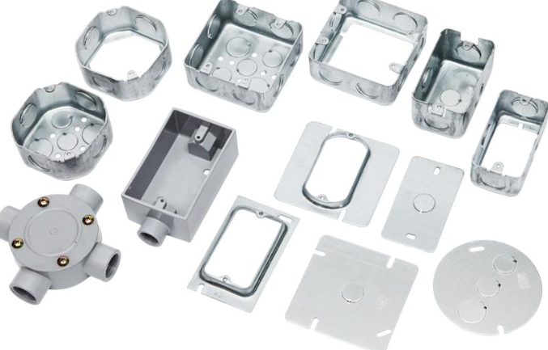 Conduit Junction Box

 |  |  |  |  | 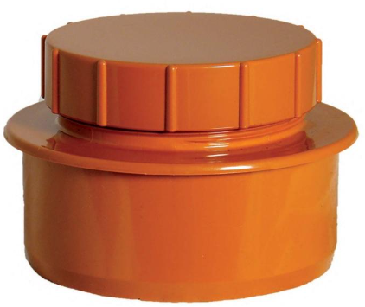 Inspection Cap

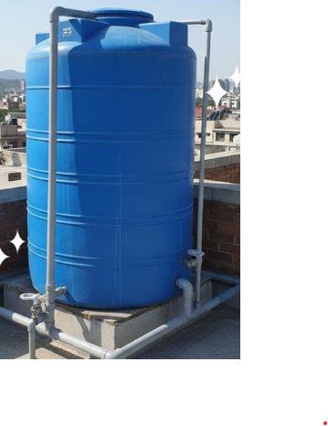 Over Head Tank |  | 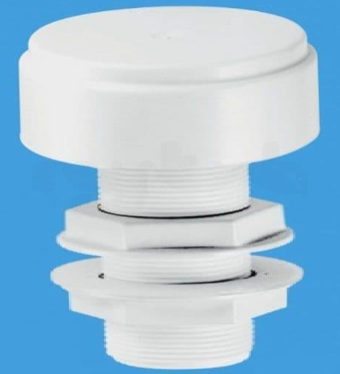 Tank Air Vent | 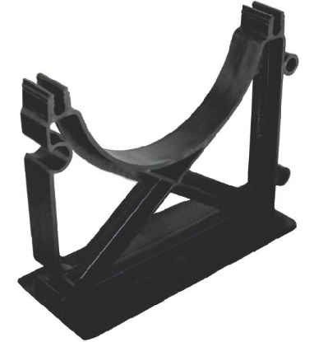 Conduit Spacer

 |  |  |  |  |  |  | 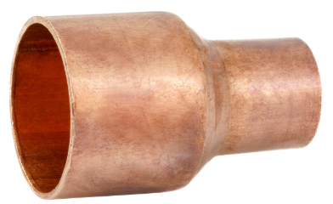 Copper Reducer |  |  | CPVC Cleaner |  | CPVC Solvent Cement |  | PVC Solvent Cement

 |  |  |  |  | 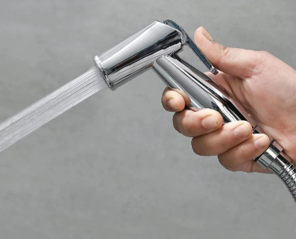 Health Faucet ( Jet Spray)
 |  | 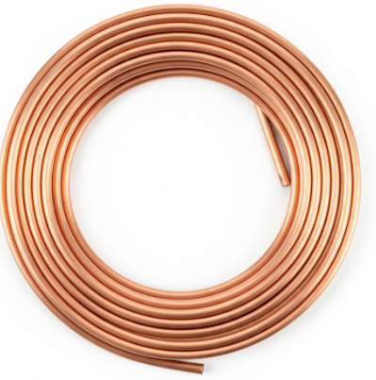 Copper Coil | 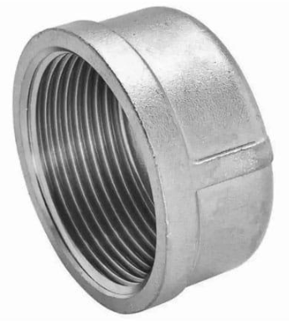 Pipe End Cap

 |  |  |  |  |  |  | 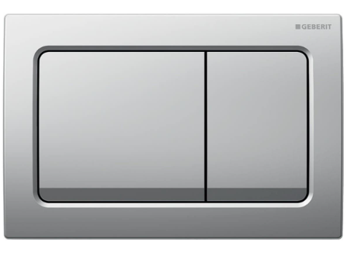 Dual Flush Plate |  |  | 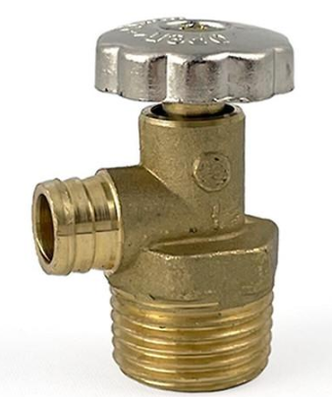 Drain Valve |  | 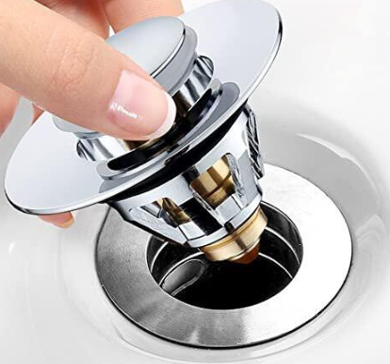 Drain Plug |  | 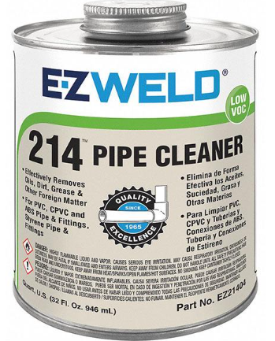 Pipe Cleaning Solvent
Elbow

 |  | 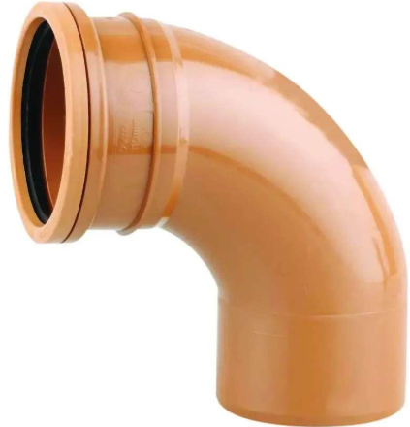 Flush Bend | 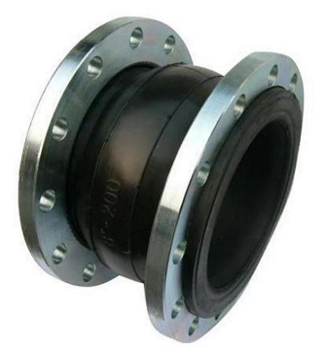 Expansion Joint |  | 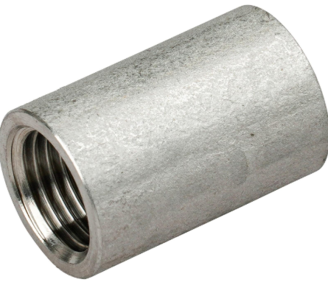 Coupling

 Conduit Elbow |  |  |  |  |  |  |  Flex Conduit |  |  |  Kitchen Spray Head |  |  Utility Faucet |  |  Drain Basket

 |  |  Nylon Wall Plug |  |  Hot Water Pipe Insulation
 |  |  |  |  |  |  |  Joint Packing |  |  Pipe Identification Tape |  |  |  Male Coupler
 Float Switch

 |  |  |  |  |  |  |  |  |  |  |  |  |  |  Pipe Plug

 |  |  |  |  |  |  |  |  |  |  |  |  Joint Compoud
 |  |  Bearing |  Capacitor |  |  Pump Mechanical Seal |  |  Pipe Leak Sealant
 PVC Conduit Pipe
 |  |  |  |  |  |  |  |  |  Pipe Sleeve Spacer |  |  |  |  | Joint Lubricant

 |  |  |  Pump Cooling Fan |  |  Pump Priming Funnel |  |  Plumber Grease |  |  |  |  |  Leak Seal Tape
 |  | Shower Rail Kit
 |  |  |  |  |  |  |  |  |  |  |  |  |  |  Mixer Basin
 Rubber Packing Cord |  |  |  |  |  |  |  |  |  Pipe Spacer

 |  |  |  Shower Head SS |  |  |  | PTFE Tape |  |  |  |  |  Pipe Insulation Tape
 |  |  |  |  | Robe Hook

 |  |  |  |  |  |  |  |  |  PTFE Cord |  |  |  |  |  Pipe Wrapping Tape

 Shower Hose |  |  Hand Shower |  |  |  Wall Shower Arm
 |  |  |  |  |  |  | Washer
 |  |  | Soap Dish |  |  |  |  |  |  |  |  |  Silicon Grease

 |  |  |  |  |  |  |  |  |  Toilet Paper Holder |  |  |  |  |  Thread Cutting Oil

 |  |  |  Thread Seal Paste |  |  Urinal |  |  Sprinkle
 Rubber Packing Sheet
 |  |  Toilet Pan |  |  |  |  |  |  |  |  |  | Silicon Lubricant

 |  |  |  |  |  |  |  |  |  Welding Blanket

 Cistern
 |  |  Concealed Cistern

 |  |  |  |  |  Cistern Repair Kit

